工作表2
Scheduler

Feedback
Work Insrturction




Shipping
Fab
Stock In
3C
4C
3D
5C
4D
5D
Warehouse
Product Classification
Warehouse Field Planner
Work Instruction
Office
Ask to produce
Information visualization

Working Insrturction
Feed Back

Shipping

System

Working Insrturction
Feed Back

工作表3
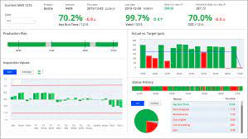
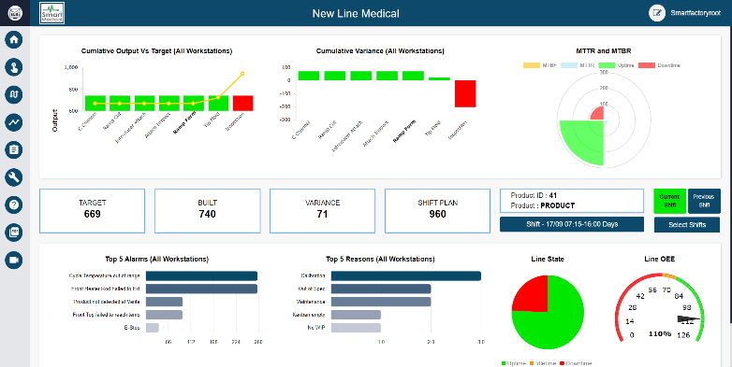
Feedback
Shipping
Fab
Warehouse Entry
3C
4C
3D
5C
4D
5D
Warehouse
Product Classify
Warehouse Relayout
Work Instruction
Office
Ask to produce
Information Visualization
Warehouse Layout Planner
Product Schedule
Product Position Information
Folklift Information
Warehouse
Information
I/O Efficiency
Delivery List
Warehouse Entry List
Product Sorter
Scheduler
Worker Manager
Data Collector
Working Status
System
100%
Reduce
Cargo
Search
Time
40%
Enhance
Shipping Process Efficiency
A.H.O.
ADT Warehouse Operating System

